Defect Report-CaseStudy
Defect ID | Defect Description | Steps to Reproduce | Priority | Severity | Status | Created By | Assigned To | Screen Shots
1 | First Name field accepts numeric values and only Special Characters also | 1. Launch browser 2.Open https://www.saucedemo.com/ 3. Login with valid credentials 4. Add product to cart 5. Click Checkout6. Enter numeric value (12345) in First Name field 6. Click Continue 7. Observe System behaviour | High | Critical | New | Ankita Rout | Raghavendra BN | 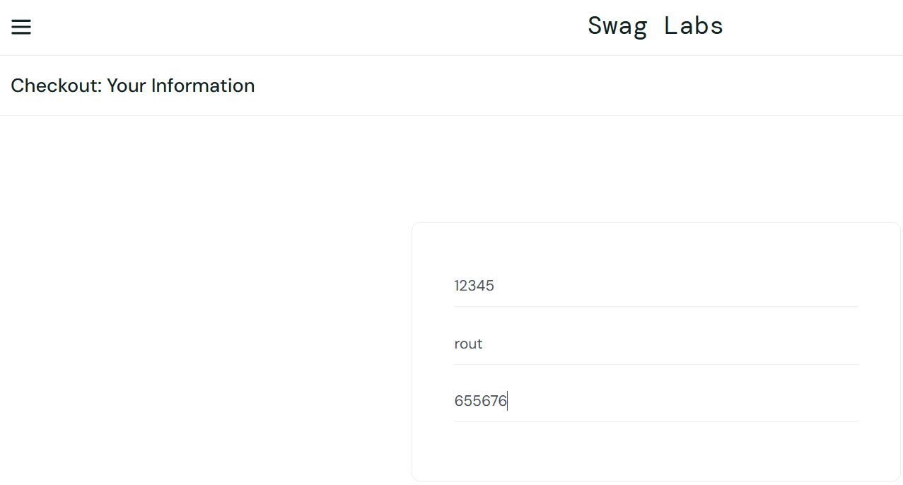
2 | Last Name field accepts Numeric values and Only Special Characters | 1. Launch www.google.com 2. Open https://www.saucedemo.com/ 3. Add product to cart 4. Click Checkout 5. Enter 1234 in Last Name 6. Click Continue 7. Observe System behaviour | High | Major | New | Ankita Rout | Raghavendra BN | 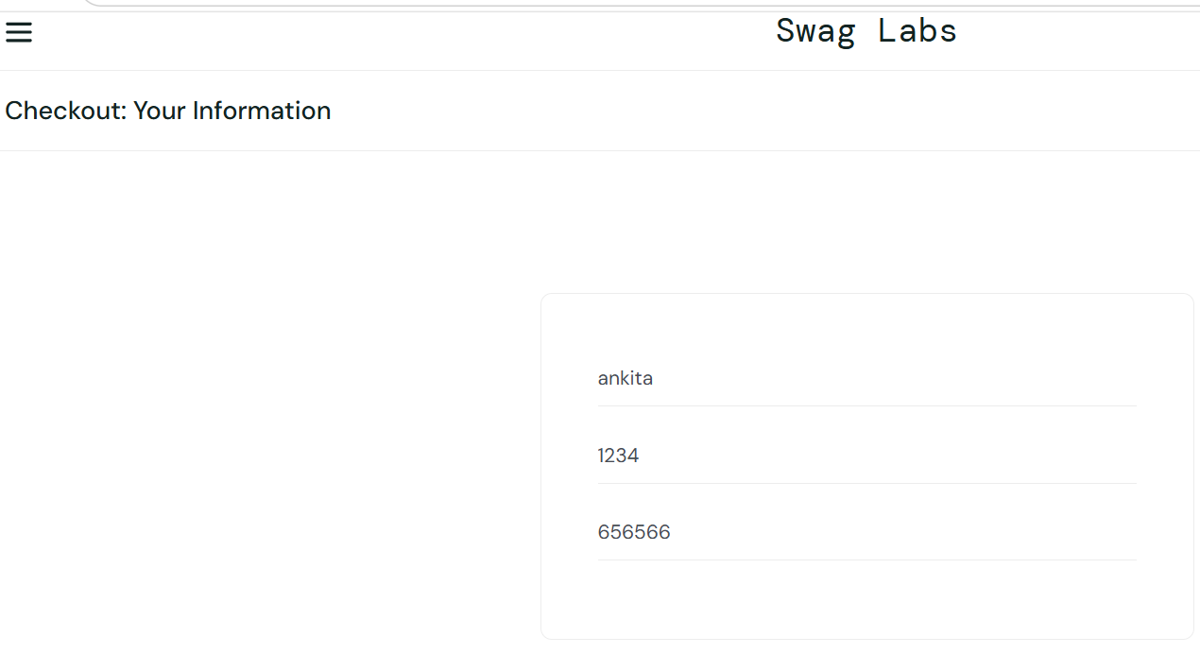
3 | Zip Code field accepts alphabets | 1. Launch www.google.com 2. Open https://www.saucedemo.com/ 3. Add product to cart 4. Click Checkout 5. Enter alphabets (ABC) in Zip Code 6. Click Continue 7. Observe System behaviour | High | Critical | New | Ankita Rout | Raghavendra BN
4 | Order can be placed with empty cart | 1. Launch www.google.com 2. Open https://www.saucedemo.com/ 3. Login with valid credentials 4. Do not add any product to cart 5. Navigate directly to cart page 6. Click on Checkout button 7. Enter valid user details 8. Click Continue → Finish 9. Observe System behaviour | High | Critical | New | Ankita Rout | Raghavendra BN | 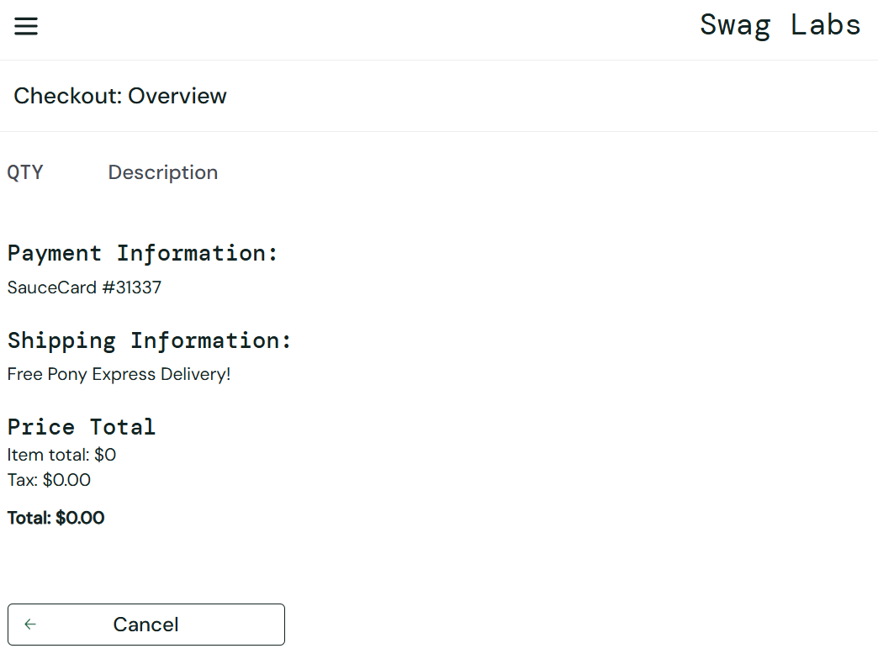
5 | Name and Zip Code fields accept only spaces and still allow order placement | 1. Launch browser 2. Open https://www.saucedemo.com/ 3. Login with valid credentials 4. Add product to cart 5. Click Checkout 6. Enter only spaces (" ") in First Name field 7. Enter valid Last Name 8. Enter only spaces (" ") in Zip Code field 9. Click Continue → Finish 10. Observe system behavior | High | Critical | New | Ankita Rout | Raghavendra BN | 